pert chart
ES= 0
EF=2
A
LS=0
0
LF=2
ES=2
EF=4
B
LS=2
0
LF=4
ES=4
EF=6
C
LS=4
0
LF=6
ES=6
EF=9
D
LS=6
0
LF=9
Expected Time rule | TE=(O+4M+P)/6
ES=9
EF=11
E
LS=9
0
LF=11

ES=11
EF=14
F
LS=11
0
LF=14
 | previous activity | Activity | Activity ID | TE | O | M | P | LS | LF | EF | ES | slack
 | Null | Project selection and agreement on tasks | A | 2 | 1 | 2 | 3 | 0 | 2 | 2 | 0 | 0
 | A | Project Infos+Problem Description | B | 2 | 2 | 2 | 4 | 2 | 4 | 4 | 2 | 0
 | B | System Objectives+Stakeholders | C | 2 | 1 | 2 | 4 | 4 | 6 | 6 | 4 | 0
 | C | Functional Requirements+ Non-Functional gathering | D | 3 | 3 | 3 | 5 | 6 | 9 | 9 | 6 | 0
 | D | Requirements Analysis | E | 2 | 1 | 2 | 4 | 9 | 11 | 11 | 9 | 0
 | E | Use Case Diagram + Context Diagram | F | 3 | 2 | 3 | 5 | 11 | 14 | 14 | 11 | 0
 | E | Activity Diagram + State Machine Diagram | G | 3 | 2 | 3 | 5 | 11 | 14 | 14 | 11 | 0

 |  |  |  | Total duration | 14
 |  |  |  | conclusion | all activity is in critical path (this makes sense )

ES=11
EF=14
G
LS=11
0
LF=14

Use case Diagram
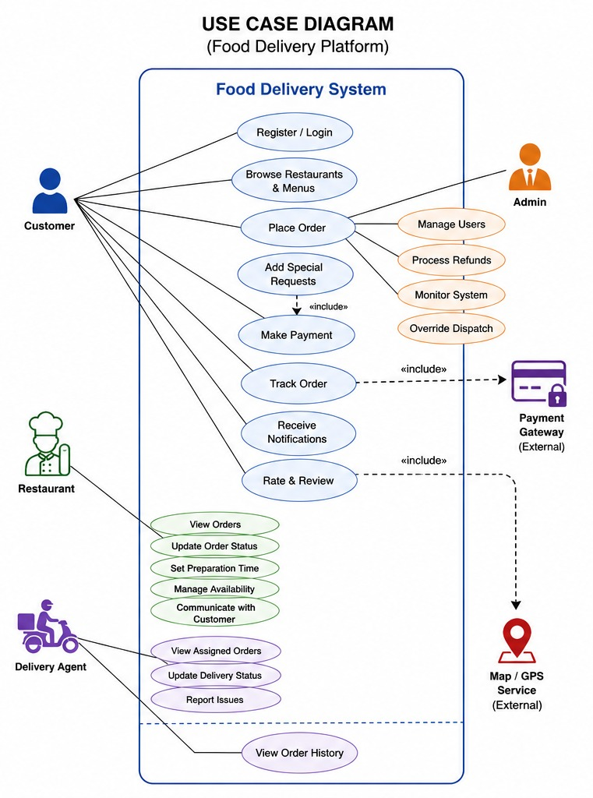

Context Diagram
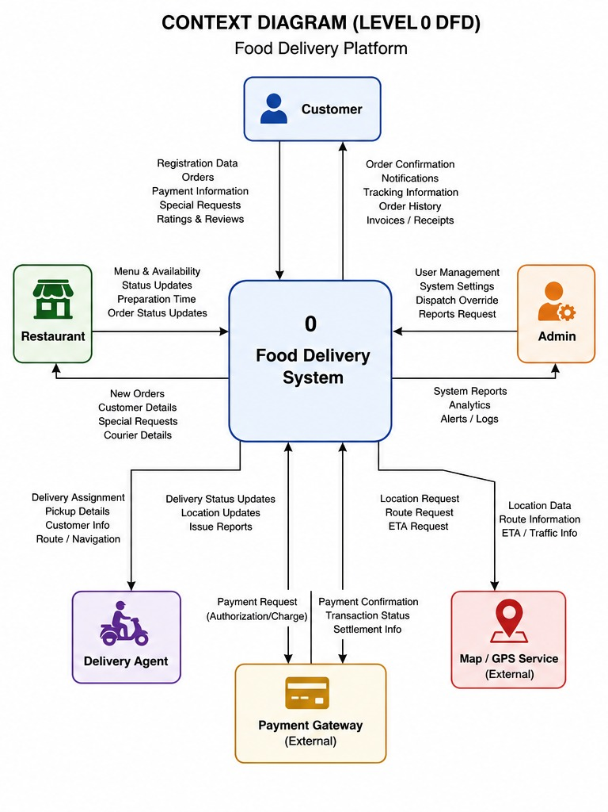

Activity Diagram
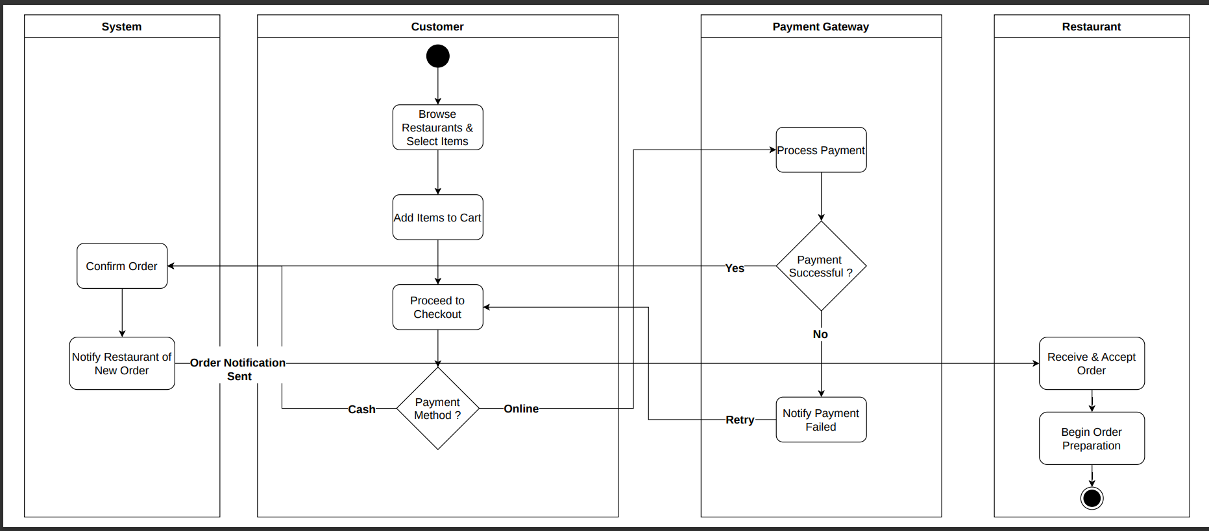

State Machine Diagram
